Energy_item
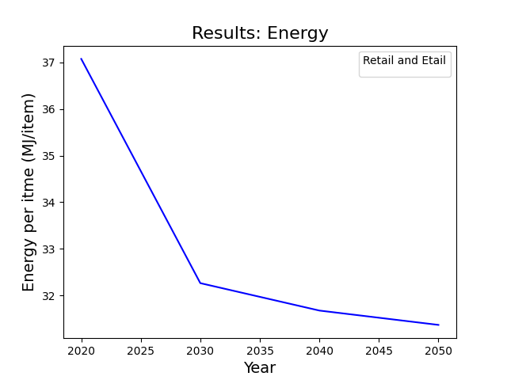
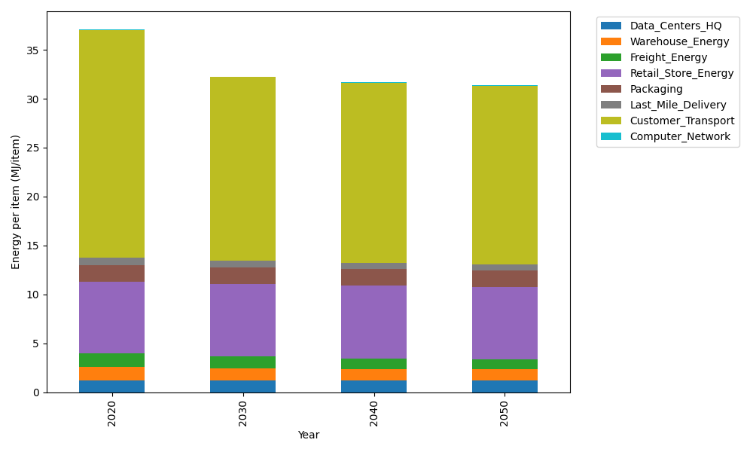
Years | Data_Centers_HQ | Warehouse_Energy | Freight_Energy | Retail_Store_Energy | Packaging | Last_Mile_Delivery | Customer_Transport | Computer_Network | Total
2020 | 1.2374141979 | 1.3410488455 | 1.3784807412 | 7.3100139929 | 1.6916682183 | 0.80716899797 | 23.267880535 | 0.042881298171 | 37.076556827
2030 | 1.2352718172 | 1.220946833 | 1.1863490802 | 7.4274928124 | 1.7230103968 | 0.64098041486 | 18.789537344 | 0.038322286335 | 32.261910984
2040 | 1.2350053479 | 1.1663371908 | 1.06111291 | 7.4421048224 | 1.6673485904 | 0.63356142119 | 18.43003585 | 0.037755236657 | 31.673261369
2050 | 1.2351847631 | 1.1143019806 | 1.009349809 | 7.4322664771 | 1.6389018846 | 0.63322691663 | 18.263842405 | 0.038137034271 | 31.36521127

CO2_item
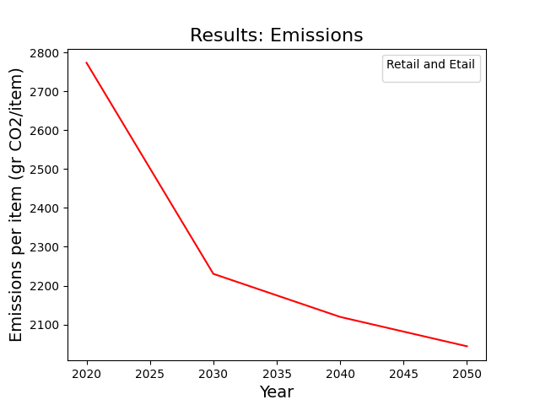
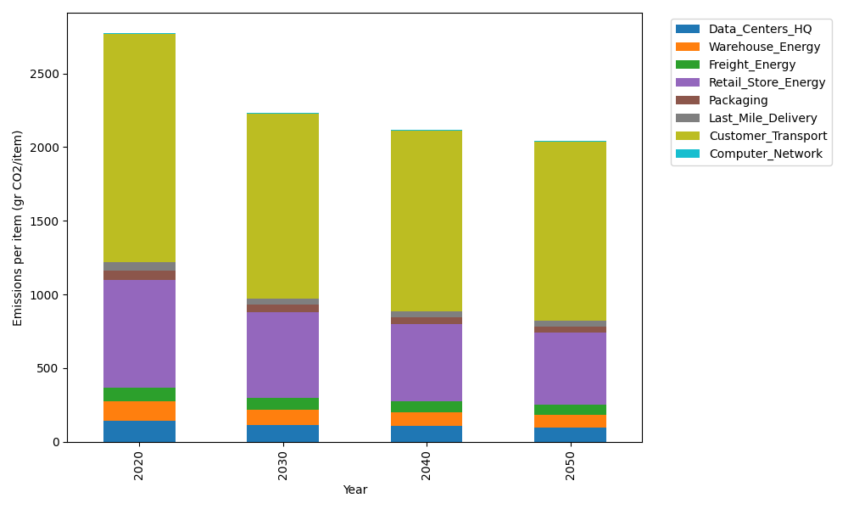
Years | Data_Centers_HQ | Warehouse_Energy | Freight_Energy | Retail_Store_Energy | Packaging | Last_Mile_Delivery | Customer_Transport | Computer_Network | Total
2020 | 140.14711191 | 133.87537195 | 93.866217976 | 728.99305529 | 65.522142061 | 55.406604815 | 1548.2239112 | 7.2330803936 | 2773.2674956
2030 | 116.13453505 | 103.33309549 | 80.745606566 | 577.75275578 | 52.003123379 | 43.968101408 | 1250.0083842 | 6.4640808406 | 2230.4096827
2040 | 107.47936814 | 93.936239892 | 72.17945813 | 526.93775192 | 43.683351265 | 43.433101177 | 1225.584615 | 6.3684327123 | 2119.6023182
2050 | 95.63307998 | 87.39822939 | 68.62554332 | 489.1819127 | 39.17121468 | 43.384089582 | 1214.249775 | 6.4328331142 | 2044.0766778

